Sheet11 (4)
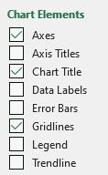
Scatter Graphs:

This data shows the hours studied vs. Exam 1 score for a MAT 143 class.
Make a scatter chart to illustrate this.
 | Hours per week | Exam 1
Student A | 10 | 92
Student B | 5 | 77
Student C | 9 | 89
Student D | 6 | 77
Student E | 11 | 91
Exams Score vs. Hours Studied
Student F | 4 | 65
Student G | 7 | 82
Student H | 0 | 55
Student I | 7 | 79
Student J | 3 | 74
Student K | 2 | 71
Student L | 8 | 89
Student M | 2 | 70
Student N | 1 | 63

